TransportationFosterGenerators
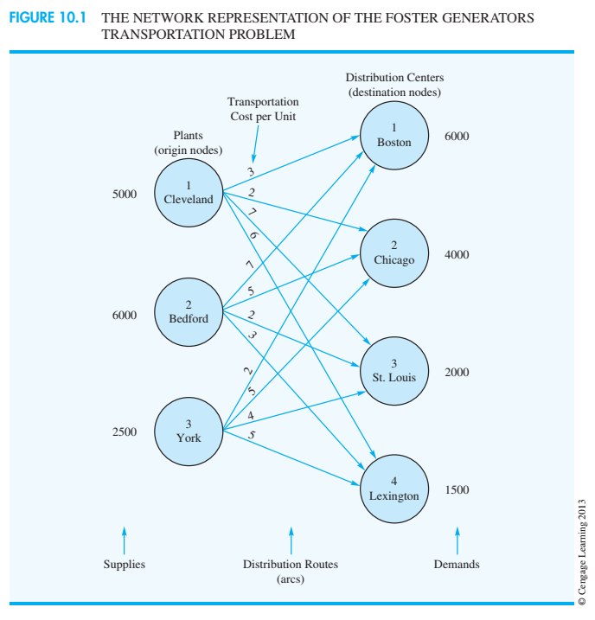
Foster Generators

 | Destination
Origin | to Boston | to Chicago | to St. Louis | to Lexington | Supply
Cleveland | 3 | 2 | 7 | 6 | 5000
Bedford | 7 | 5 | 2 | 3 | 6000
York | 2 | 5 | 4 | 5 | 2500
Demand | 6000 | 4000 | 2000 | 1500

Model |  | ? amount shipped from each origin to each destination
Minimize total cost
39500 | =SUMPRODUCT(B5:E7, B17:E19)

 | Destination
Origin | to Boston | to Chicago | to St. Louis | to Lexington | Supply (LHS) |  | RHS Supply constraints
Cleveland | 3500 | 1500 | 0 | 0 | 5000 | <= | 5000
Bedford | 0 | 2500 | 2000 | 1500 | 6000 | <= | 6000
York | 2500 | 0 | 0 | 0 | 2500 | <= | 2500
Total (RHS demand constraints) | 6000 | 4000 | 2000 | 1500
 | = | = | = | =
 | 6000 | 4000 | 2000 | 1500

AssignmntFowleMarketingResearch
Fowle Marketing research
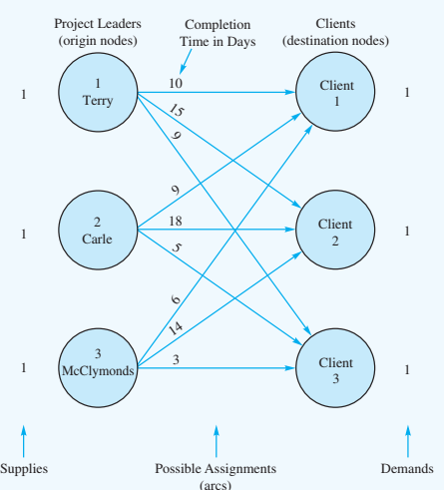
 | Client
Project Leader | 1 | 2 | 3
Terry | 10 | 15 | 9
Carle | 9 | 18 | 5
McClymonds | 6 | 14 | 3

Model | ? assigned_task = 'yes' / 'no' (1 / 0)

Minimize completion time |  | 26 | =SUMPRODUCT(B5:D7,B16:D18)

 | Client
Project Leader | to Client 1 | to Client 2 | to Client 3 | Total (LHS) |  | RHS
Terry | 0 | 1 | 0 | 1 | <= | 1
Carle | 0 | 0 | 1 | 1 | <= | 1
McClymonds | 1 | 0 | 0 | 1 | <= | 1
Total | 1 | 1 | 1
 | = | = | =
 | 1 | 1 | 1

transshipment_RyanElectronics
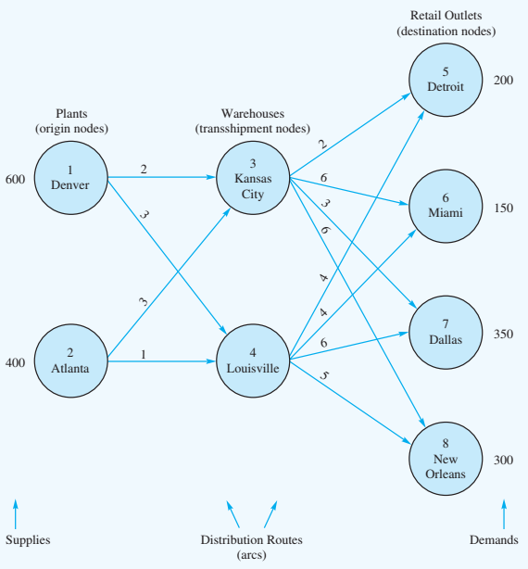
Ryan Electronics Transshipment

Arc | Cost | decision vars
Denver - Kansas city | 2 | 550 |  |  | Units shipped |  | Net
Denver - Louisville | 3 | 50 |  | Nodes | In | out | shipments |  | RHS constraints
Atlanta - Kansas City | 3 | 0 |  | Denver |  | 600 | 600 | <= | 600
Atlanta - Louisville | 1 | 400 |  | Atlanta |  | 400 | 400 | <= | 400
Kansas City - Detroit | 2 | 200 |  | Kansas city | 550 | 550 | 0 | = | 0
Kansas City - Miami | 6 | 0 |  | Louisville | 450 | 450 | 0 | = | 0
Kansas City - Dallas | 3 | 350 |  | Detroit | 200 |  | -200 | = | -200
Kansas City - New Orleans | 6 | 0 |  | Miami | 150 |  | -150 | = | -150
Louisville - Detroit | 4 | 0 |  | Dallas | 350 |  | -350 | = | -350
Louisville - Miami | 4 | 150 |  | New Orleans | 300 |  | -300 | = | -300
Louisville - Dallas | 6 | 0
Louisville - New Orleans | 5 | 300

 |  |  | Minimize total cost |  | 5200

